Sheet1
Revision Form

Reviewer A
No | Comments from Reviewer | Revision | Page of Revision
1 | The explanation of the confusion matrix (at page 7) should be adjusted to the case being solved in the paper. | 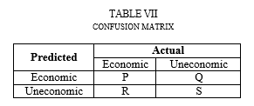 | 7
2 | In figure 3, the future value looks almost linear, is it in fact the future value will be worth a linear increase or reduction? | From Figure 3 above it can be seen that the future value is almost linear, but in fact, this value may increase or decrease depending on the cost of production incurred. Production cost is influenced by the inflation rate. If there is a change of inflation rate then the production cost could change either increase or decrease. In addition, the production cost is also influenced by the costs of planting requirement. For example, if there is an increment in seed prices, then the production costs incurred will be higher. | 5

